interaction plot
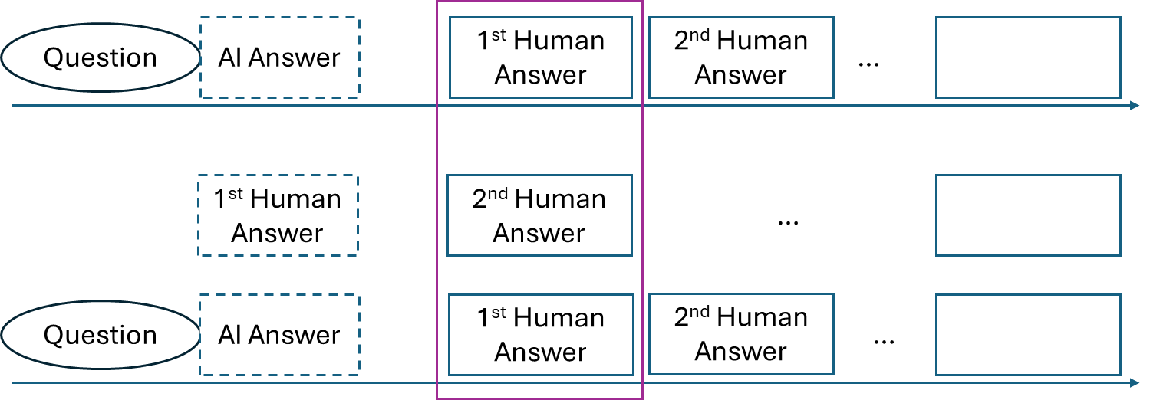
 | DV: # human answers | DV: harzard first human answer |  |  | mean | std |  | mean | std
treatment | 0.226 | 1.113 |  | log_textLengthCNAI_fillna | 2.77437 | 2.86413 | AI | 5.675991 | 0.5556025
treatment:log_textLengthCNAI_fillna | -0.045 | -0.227 |  |  |  |  | Human | 0 | 0
treatment:AISimWithOpus47_fillna | 0 | 0 |  | AISimWithOpus47_fillna | 0.2706813 | 0.2972415 | AI | 0.55539 | 0.1520596
 | DV: # other answers | DV: harzard second answer | DV: answer1_answer2_similarity |  |  |  | Human | 0 | 0
treatment | 0.684 | 1.239 | 0 |  | mean | std |  | mean | std
log_textLengthCN1Ans | -0.026 | -0.208 | 0 | log_textLengthCN1Ans | 3.17337 | 6.150986 | AI | 5.675991 | 0.5556025
treatment:log_textLengthCN1Ans | -0.058 | 0 | 0 |  |  |  | Human | 3.443393 | 1.337533
SimWithOpus1Ans | 0 | 0 | 0.494 | SimWithOpus1Ans | 0.3290497 | 0.6833675 | AI | 0.55539 | 0.1520596
treatment:SimWithOpus1Ans | 0 | 0 | -0.109 |  |  |  | Human | 0.4452611 | 0.1869011

 | AI Answer | No Answer
6.2315935 | -0.0544217075
5.1203885 | -0.0044174825
0 | 0.226
0 |  | 0
 | AI Answer | Human Answer
6.2315935 | -0.3015717245
5.1203885 | -0.0493281895
0 |  | 0
0 |  | 0
 | DV: # human answers
log_textLengthCNAI_fillna | AI Answer | No Answer
6.2315935 | -0.0544217075 |  | -0.045
5.1203885 | -0.0044174825
0 | 0.226
0 |  | 0

 | DV: harzard first human answer
log_textLengthCNAI_fillna | AI Answer | Human Answer
6.2315935 | -0.3015717245
5.1203885 | -0.0493281895
0 |  | 0
0 |  | 0

 | AI Answer | Human Answer
5.1203885 | 0.253887366
6.2315935 | 0.160546146
0 | 0.684
2.10586 |  | -0.05475236
4.780926 |  | -0.124304076
0 |  | 0
 | DV: # other answers
log_textLengthCN1Ans | AI Answer | Human Answer
5.1203885 | 0.253887366 |  | -0.084
6.2315935 | 0.160546146
0 | 0.684
2.10586 |  | -0.05475236
4.780926 |  | -0.124304076
0 |  | 0
 | DV: answer1_answer2_similarity
SimWithOpus1Ans | AI Answer | Human Answer
0.4033304 | 0.155282204
0.7074496 | 0.272368096
0.25836 |  | 0.12762984
0.6321622 |  | 0.3122881268
0

